2026 Order Form
MOONCAKES - CORPORATE SALES ORDER FORM 2026
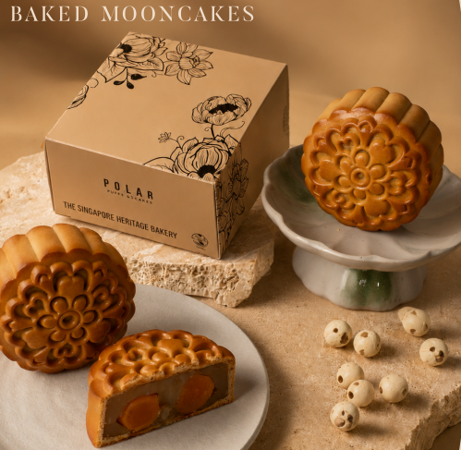
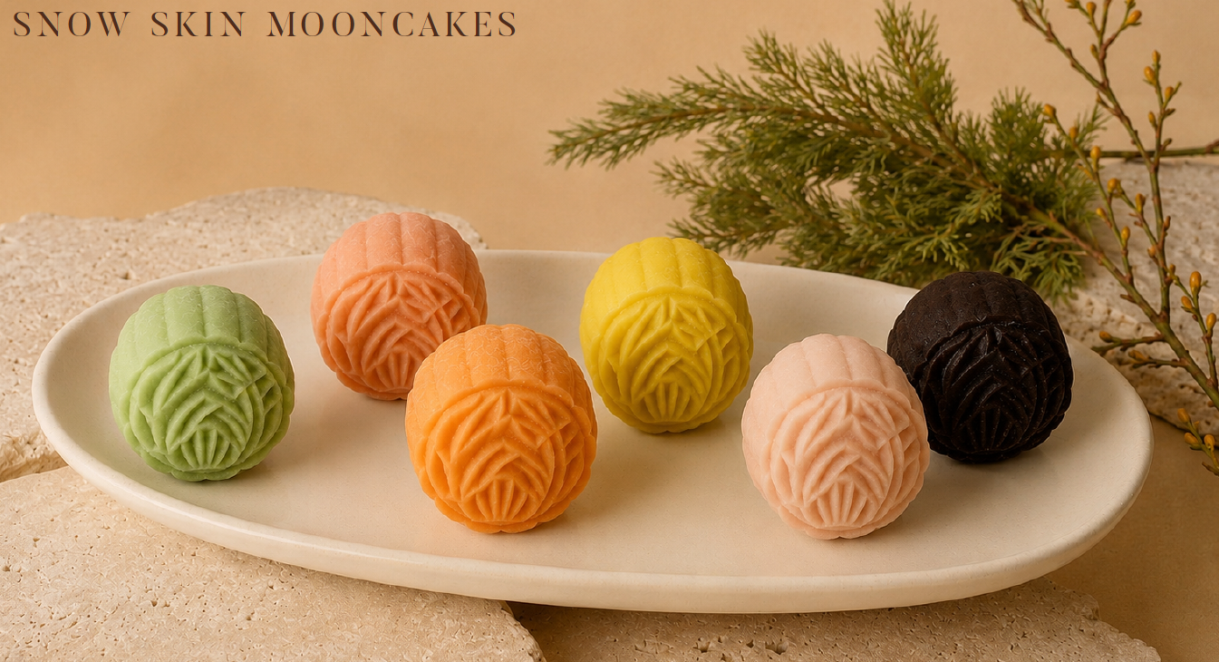
 |  |  |  |  | Traditional Mooncake (Mix and Match) *Available in Ala Carte, Gift Box-2pcs, Gift Box 4-pcs

 |  |  |  |  |  |  |  | Mix & Match Selection (Input quantity for flavour selected)
 |  |  |  |  |  | Box Type (Select from dropdown) | Qty (Box) | White Lotus Paste |  |  | White Lotus Paste Double Yolk |  |  | Pure Lotus Paste |  | Pure Lotus Paste Double Yolk |  | Line Total (SGD)
 |  |  |  |  |  |  |  | $ 17.00 |  |  | $ 19.00 |  |  | $ 16.00 |  | $ 18.00
 |  |  |  |  | Sample Order | Gift Box - 4pcs | 5 | 2 |  |  | 2 |  |  |  |  |  |  | $360.00
 |  |  |  |  | Order Line 1 |  |  |  |  |  |  |  |  |  |  |  |  | $-
 |  |  |  |  | Order Line 2 |  |  |  |  |  |  |  |  |  |  |  |  | $-
 |  |  |  |  | Order Line 3 |  |  |  |  |  |  |  |  |  |  |  |  | $-
 |  |  |  |  | Order Line 4 |  |  |  |  |  |  |  |  |  |  |  |  | $-
 |  |  |  |  | Order Line 5 |  |  |  |  |  |  |  |  |  |  |  |  | $-
 |  |  |  |  | *For different mix & match combinations, please use a separate order line for each combination.

 |  |  |  |  | Snow Skin Mooncake (Mini) (Mix and Match) *Available in Ala Carte, Gift Box-6pcs, Gift Box-12pcs

SPECIAL DISCOUNT
 |  |  |  |  |  | Box Type (Select from dropdown) |  | Mix & Match Selection (Input quantity for flavour selected)
Discount (%) | Description |  | Promotion Period |  |  |  | Qty (Box) | Durian |  | Double Chocolate |  | Lychee |  | Pandan | Peach Oolong |  | Mango | Line Total (SGD)
25% | Pre-order discount (any quantity) |  | 27 Jul 2026 – 16 Aug 2026 |  |  |  |  | $ 7.00 |  |  |  |  |  | per piece
20% | Early bird discount (any quantity) |  | 17 Aug 2026 – 31 Aug 2026 |  | Sample Order | Gift Box - 6pcs | 10 | 1 |  | 1 |  | 1 |  | 1 | 1 |  | 1 | $420.00
 |  |  |  |  | Order Line 1 |  |  |  |  |  |  |  |  |  |  |  |  | $-
Campaign Period |  | 27 Jul 2026 - 27 Sep 2026 |  |  | Order Line 2 |  |  |  |  |  |  |  |  |  |  |  |  | $-
Delivery and Collection |  | from 17 Aug 2026 onwards |  |  | Order Line 3 |  |  |  |  |  |  |  |  |  |  |  |  | $-
Last Ordering for Corporate order |  | 18 Sep 2026, 12pm |  |  | Order Line 4 |  |  |  |  |  |  |  |  |  |  |  |  | $-
Last Delivery and Collection |  | 27 Sep 2026 (except 26 Sep 2026 for collection at One Raffles Place) |  |  | Order Line 5 |  |  |  |  |  |  |  |  |  |  |  |  | $-
 |  |  |  |  | *For different mix & match combinations, please use a separate order line for each combination.
 |  |  |  |  |  |  |  |  |  |  |  |  |  | Sub-Total |  |  |  | $-
Simply place your orders through |  |  |  |  | Remark: *Mid-autumn promotion cannot be in conjunction with other promotions, discounts, privilege cards or discount vouchers. *Prices are inclusive of 9% GST. |  |  |  |  |  |  |  |  | Discount (if applicable)
Email | : sales@polarpuffs.com.sg |  |  |  |  |  |  |  |  |  |  |  |  | Delivery Charge (if applicable) |  |  |  | $-
Contact Hotline | : 6216 3554 / 6216 3516 / 6216 3501 |  |  |  |  |  |  |  |  |  |  |  |  | Total |  |  |  | $-
HP | : 9645 1055

 |  |  |  | BILLING DETAILS (Please provide all information, especially contact numbers) |  |  |  |  |  |  |  |  | PAYMENT MODE (Please tick)
TERMS & CONDITION |  |  |  |  | Name: |  |  |  |  |  |  | FALSE | PayNow / Bank Transfer
• A minimum of 3 working days advance ordering is required for delivery and collection, while stock lasts. |  |  |  |  | Company Name: |  |  |  |  |  |  | FALSE | Credit Term (if applicable)
 |  |  |  |  | Address:
• Free delivery for order $160 & above. |  |  |  |  |  |  |  |  | Postal Code:
• Additional Charge: $10.00 (Delivery to Sentosa & Jurong Island) |  |  |  |  | Tel: |  |  |  | Mobile Number:
• Cancellation/Postponed within 48 hours (exclude Sundays and Public Holidays) before delivery will be subjected to a fee of 50% of the amount ordered. |  |  |  |  | Email Address:

• Cancellation/Postponed less than 48 hours notice (exclude Sundays and Public Holidays) before delivery will be subjected to a fee of 100% of the amount ordered.
 |  |  |  | SELF-COLLECTION / DELIVERY INSTRUCTION (Please tick)
• Any amendments must be informed 2 working days in advance. |  |  |  | FALSE | Self-Collection: |  |  |  | Collection Date:
• Polar Puffs & Cakes shall not be liable for deliveries late due to unforeseen circumstances such as bad weather or vehicle failure. We thank you for your kind understanding. |  |  |  |  |  |  |  |  | Collection Time:

 |  |  |  | FALSE | Delivery:
 |  |  |  |  | Delivery Date: |  |  |  | Delivery Time Slot:
 |  |  |  |  | Delivery Address:
 |  |  |  |  |  |  |  |  | Postal Code:
 |  |  |  |  | Contact Person 1: |  |  |  | Contact No:
 |  |  |  |  | Contact Person 2: |  |  |  | Contact No:

